Creating Formulas
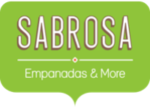
 | Budget & Paper Supplies
 | Sabrosa Empanadas & More
 | 1202 Biscayne Bay Drive
 | Orlando, FL 32804
PAPER SUPPLY ORDERS
ITEM | QUANTITY | PRICE PER UNIT | LINE TOTAL
Plastic Silverware (box of 100) | 15 | $8.75
Napkins (box of 250) | 18 | $2.59
Plates (box of 50) | 9 | $14.25
Plastic Cups (box of 100) | 12 | $2.99
TOTAL

 |  | JUNE BUDGET | $1,200
 |  | JULY BUDGET | $1,500
 |  | TOTAL

